DDB (ALCOHOL)
DATE | INV NO. | DESCRIPTIONS | AMOUNT | BILLS | PRICE | TOTAL
31-Oct-2025 | 36222 | CAPE DISCOVERY BRUT CUVEE 750ML | 4 | 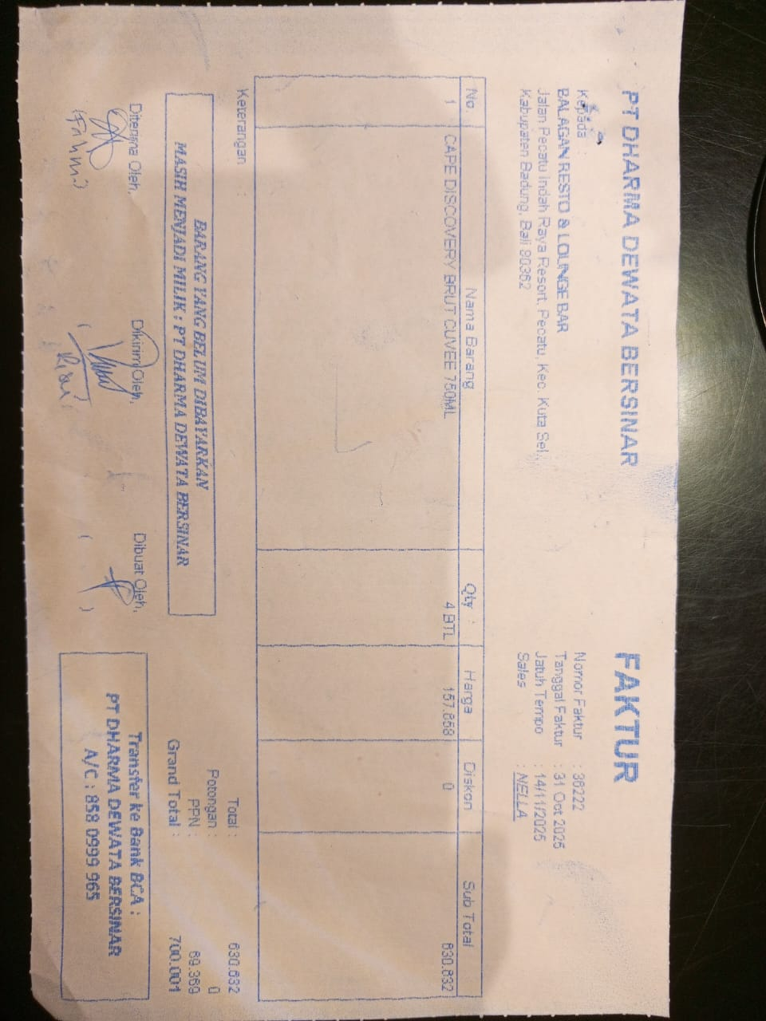 | IDR 157,658 | IDR 630,632
SUB TOTAL |  |  |  |  | PPN | IDR 69,370
TOTAL |  |  |  | IDR 700,001
22-Nov-2025 | 37685 | GORDON GIN PREMIUM DRY 750 ML | 4 | 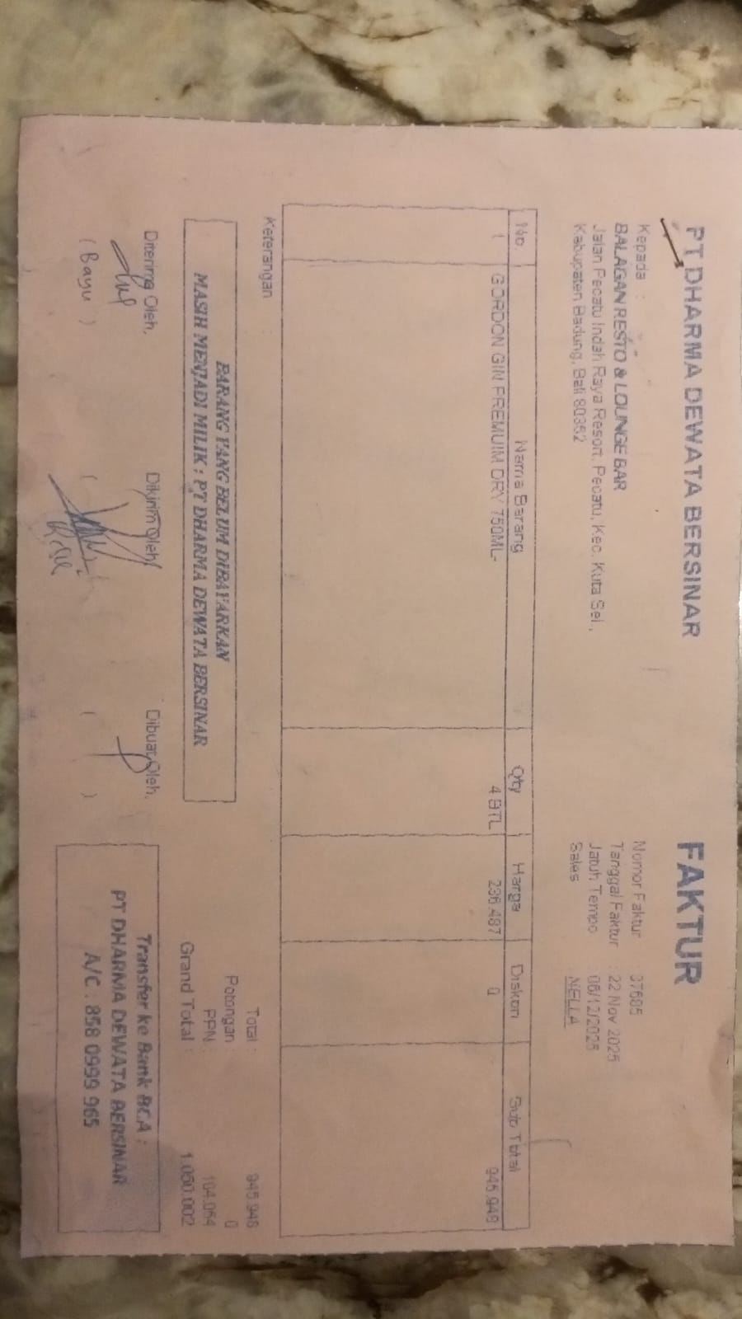 | IDR 236,487 | IDR 945,948
SUB TOTAL |  |  |  |  | PPN | Rp104,054
TOTAL |  |  |  | Rp1,050,002

GRAND TOTAL |  |  |  | IDR 1,750,003

